1. Title Page
[Instacart Grocery Basket Analysis]

Project Name: Instacart Grocery Basket Analysis
Date: January 18, 2025
Analyst Name: Shaina Wallace

Contents:
Population Flow
Consistency checks
Wrangling steps
Column derivations
Visualizations
Recommendations

Data Sources
“The Instacart Online Grocery Shopping Dataset 2017”, Accessed from www.instacart.com/datasets/grocery-shopping-2017 via Kaggle on 9/4/2024.
The customer data and the “prices” column in the products data set were both fabricated for the purpose of this project.
Regional segmentation retrieved from: https://simple.wikipedia.org/wiki/List_of_regions_of_the_United_States

2. Population Flow
Title page

Population flow

Exclusion flag
Condition: max_order < 5
Obervations to be removed: 2,233,435
Final total count of order_products_all: 32, 404, 859

Orders_products_combined
Orders_products_merged
Orders_products_all

Total: 32,434,489
Total: 32,404,859
Total: 32,404,859

3. Consistency checks
 |  |  |  | Title page
Consistency checks

Dataset | Missing values | Missing values treatment | Duplicates
orders | days_since_prior_order -- 206, 209 | ignored -- it correlates to the first order placed by each user | None
products | product_name -- 16 | removed null values | 5 - removed
orders_products_prior | None | None | None
customers | None | None | None

4. Wrangling steps
 |  |  |  | Title page
Wrangling steps

Columns dropped | Columns renamed | Columns' type changed | Comment/Reason
eval_set |  |  | not needed
 | order_dow > orders_day_of_week |  | clarity
 | order_count > order_count |  | clarity
 |  | order_id, int -> str | ID, not calculation
 |  | user_id, int -> str | ID, not calculation
 | First Name to first_name |  | maintain naming convention
 | Surnam to last_name |  | maintain naming convention
 | Gender to gender |  | maintain naming convention
 | STATE to state |  | maintain naming convention
 | Age to age |  | maintain naming convention
 | fam_dependants > num_dependants |  | clarity
 | fam_status to marriage_status |  | clarity
 |  | df_customer_op_merged int64 to int16 | Reduce memory usage

5. Column derivations
 |  |  |  | Title page

Column derivations and aggregations

Dataset | New column | Column/s it was derived from | Conditions
op_merged | price_range_loc | prices | prices > 15 = High-range prices <= 15 = Mid-range prices <=5 = Low-range
 | busiest_day | orders_day_of_week | orders_day_of_week == 0 = Busiest orders_day_of_week == 4 = Least orders_day_of_week else = Regularly
 | busiest_period_of_day | order_hour_of_day | order_hour_of_day == between 8,18 = Most orders order_hour_of_day == 19 = Average order_hour_of_day == between 0,7 & 20,23 = Fewest
df_op | max_order | order_count | max of order_count column
 | loyalty_flag | max_order | max_order > 40 = Loyal max_order <= 40 & > 10 = Regular max_order <= 10 = New
 | spending_flag | avg_price | avg_price < 10 = Low avg_price >= 10 = High
 | avg_price | prices | mean of prices column
 | order_frequency | days_since_prior_order | mean of days_since_prior_order column
 | frequency_flag | order_frequency | order_frequency > 20 = Non-frequent order_frequency > 10 & <= 20 = Regular order_frequency <= 10 = Frequent
df_final | region | states | Split based on area of US
 | exclusion_flag | max_order | max_order < 5 = Low activity max_order > 5 = High activity
 | age_range | age | age >= 18 & <= 25 = Young age >= 26 & <=39 = Adult age >=40 & <=54 = Middle Aged age >= 55 = Elderly

price_range_loc |  | loyalty_flag | region
Low-range product 10126321 |  | Regular customer 15876776 | South 10791885
Mid-range product 673183 |  | Loyal customer 10284093 | West 8292913
High-range product 417678 |  | New customer 6243990 | Midwest 7597325
 |  |  | Northeast 5722736
busiest_day |  | spending_flag
Regularly busy 22416875 |  | Low spender 31770614 | exclusion_flag
Busiest day 6204182 |  | High spender 634245 | High activity 30171424
Least busy 3783802 |  |  | Low activity 1440295

busiest_period_of_day |  | frequency_flag | age_range
Most orders 26560345 |  | Frequent customer 21559853 | Elderly 12667761
Fewest orders 4586209 |  | Regular customer 7208564 | Middle Aged 7111142
Average orders 1258305 |  | Non-frequent customer 3636437 | Adult 6628426
 |  |  | Young adult 3764095

6. Visualizations
 |  |  | Title page

Visualizations

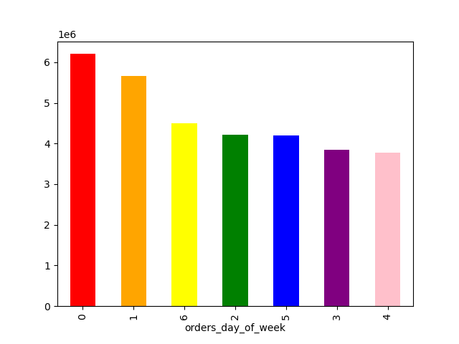
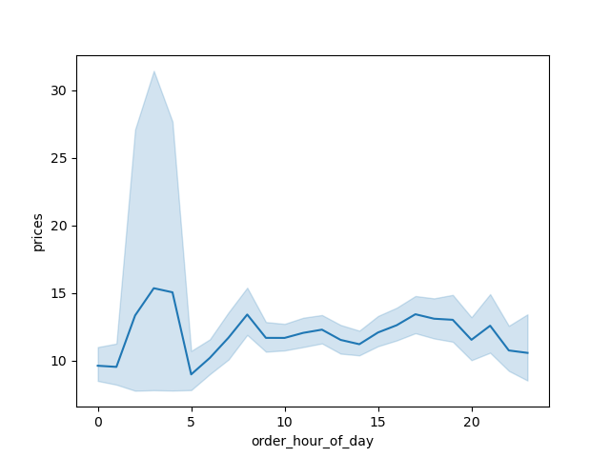


 | Late night, 12am - 5am orders are likely to be last minute or snack items
Most orders are placed on Sunday and Monday | Peak hours are early morning to early afternoon. | The amount of money spent on products is higher in the last night, 12am - 5am
Surprisingly, there are not so many orders on Fridays and Saturdays | Perhaps this is for breakfast and/or lunch time orders | The could correlate to last minute/late night snack orders
 | Also could correlate to free time to be able to order | Last minute/late night orders could make pricing is less of a concern

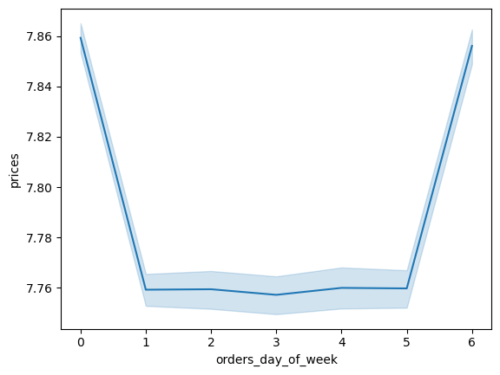

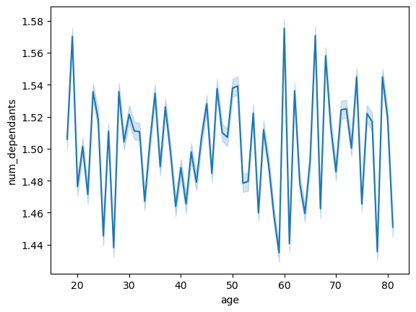

Sunday has the most orders and also highest in product pricing | Most products are between 1 and 15 dollars | Surprinsingly, those under the age of twenty of more dependants than 30-50 year olds
Friday, though not many orders are placed, also in high in product pricing | A few are higher priced at 15 to 25 dollars | 20-30 year olds have the lowest number of dependants
 |  | Those in their 60s have the most dependants

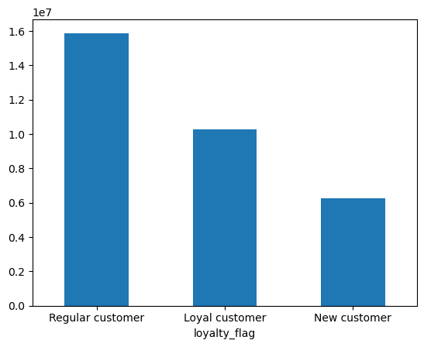


 |  |  |  | dfsdfasdfa sdfasdf asdfa sdfasdfa sdfa sdfadfas df asdfa sdfasdf

Income under 200,000 is consistent for all age groups | There are more regular customers than loyal and new customers.
Those aged 40 - 80 are more so between 200K to 300K in income | Marketing towards more casual shoppers like regular customers may bring in more loyal customers
Ages 18 - 39 don't have an income over 400K
A smaller population of those 40 to 80 make 400K to 600K

7. Recommendations
 |  |  |  |  |  | Title page

Recommendations

 | Questions
 | What's the busiest day of the week?
 | What's the busiest hour?
 | What hour has the most money spent?
 | What is a good price range for products?
 | Are some products more important than others?
 | Which department has the highest frequency of product orders?
 | What are the types of customers based on:
 |  | brand loyalty
 |  | customer region
 |  | age & dependants

 |  |  |  |  | Overview
 | 1. What's the busiest day of the week? |  | 2. What's the busiest hour? |  |  |  | 3. What hour has the most money spent?
 |  | The busiest day of the week is Sunday, shown in red below. |  | The busiest hour of the day is 10 am with 11am right behind it. |  |  |  | The most money is spent late at night
 |  | Sunday receives around orders on average |  | At 10am, orders are placed on average. |  |  |  | Peak income times are between about 1 to 3 am.
 |  | Monday is a close second with orders on average |  | Throughout the late morning to early evening is peak ordering time. |  |  |  | This is in great contrast to the peak order times.

 | 4. What is a good price range for products? |  | 5. Are some products more important than others? |  |  |  | 6. Which department has the highest frequency of product orders?
 |  | A good price range is between |  | The top 5 products purchased across all age groups is produce |  |  |  | The department with the most orders is produce
 |  | Most of IC's customer base are low spenders |  | Most seem to value organic items |  |  |  | This matches the top 5 products for all age groups
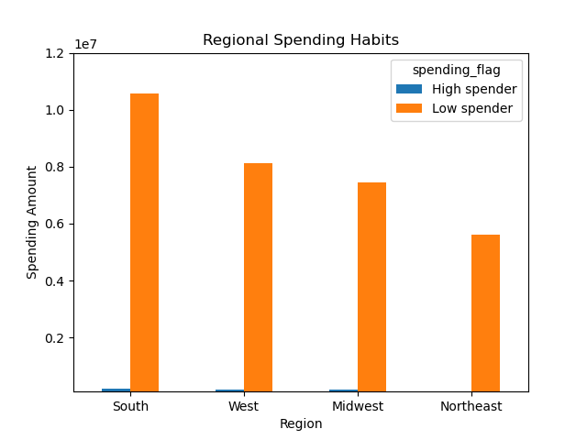
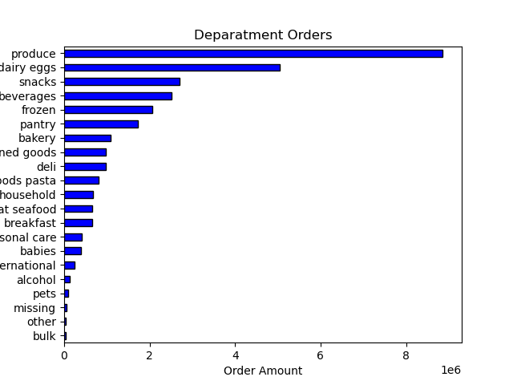
 |  |  |  | All age groups buy bananas the most.
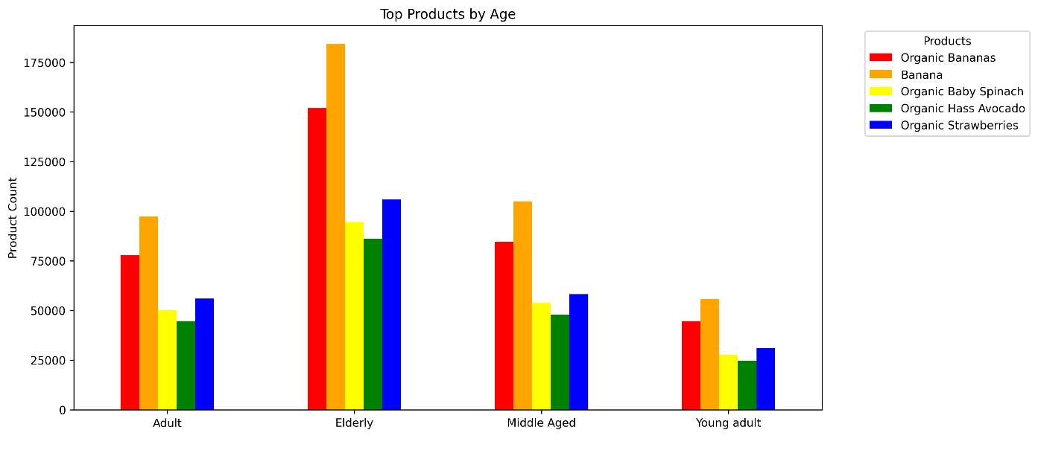

 |  |  |  |  | 7. Customer Insights

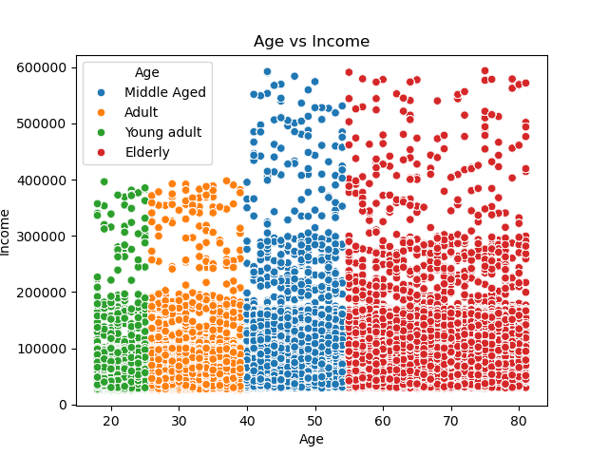
 | Elderly customers make up most of IC customer base |  | This make sense seeing that those between the ages of 40 to 80 make over 400K |  |  |  |  | Dependant numbers of each age group also correlates with their income level and spending frequency.
 | Additionally, make up most of loyal customers |  | Young adults are lowest group of customer base despite the 200K to 400K income range |  |  |  |  | Elderly make the most and also order the most. Here, the also have the most dependants
 | Loyal customers place orders and spend money |  | Income under 200,000 is consistent for all age groups
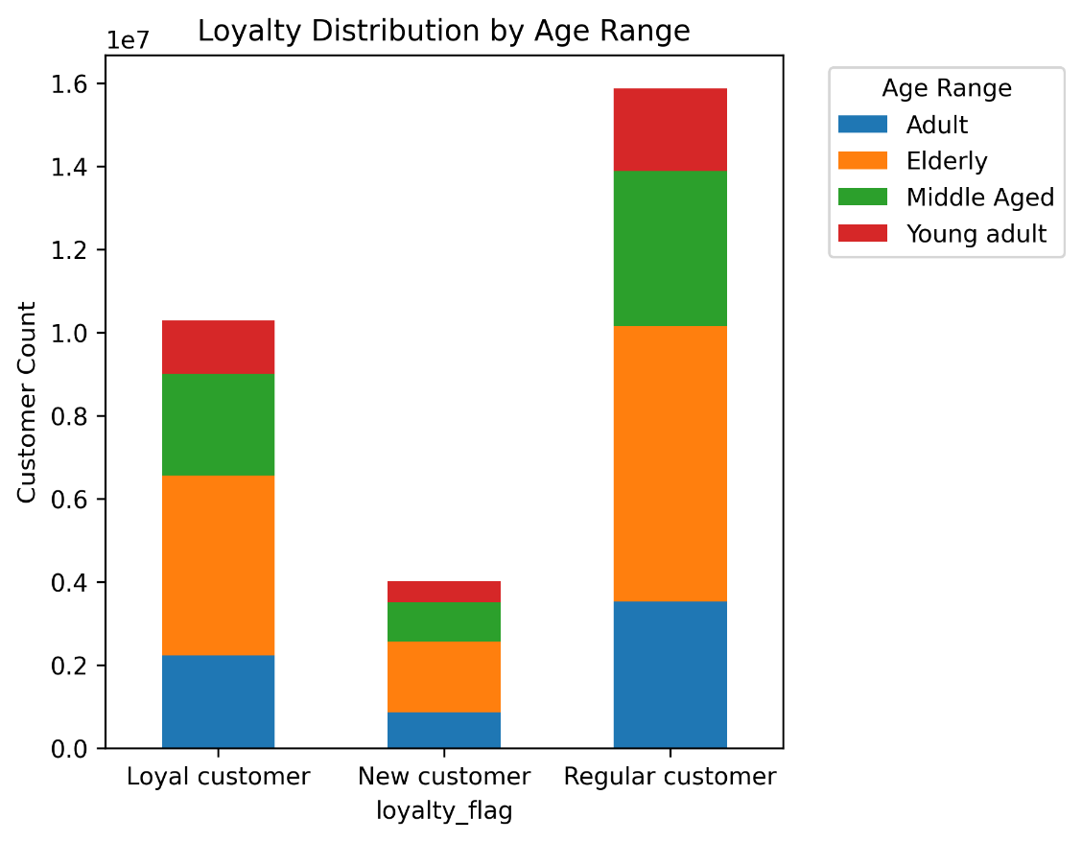
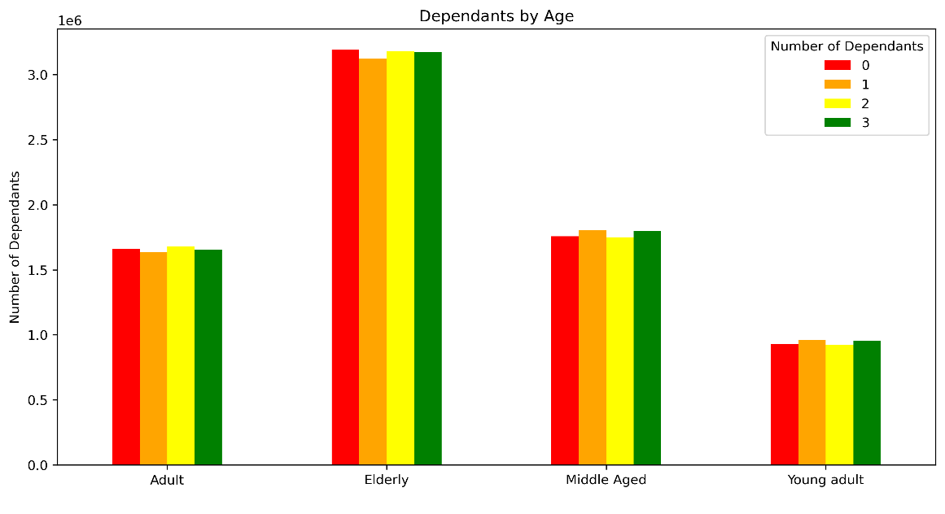

 |  |  |  |  | Recommendations
1. Create a loyalty program based on frequency of orders placed rather than amount spent
Changing or creating a loyalty program may bring in more loyal customers as, currently, there are more regulars than any other group.
Across all age groups and income levels, most customers are low spenders, spending less than $10 on average for each product
Customers are placing orders regularly and frequently within their budgets.

2. Increase sales and coupons for non-produce items
The top department is produce for all age groups and income levels. Most of them also tend to perfer organic items.
Product orders in other departments may increase with the addition of coupons and sales to promote healthy snacks, pantry goods, bakery items.

3. Ads and promotions are best launched in the evening and late night
Currently peak hours for orders is morning to early afternoon.
Increasing ads and promotions in the evening can help generate dinner time sales
Additionally, late night hour users spend the most money, but there are few orders placed.
Ads and promotions for late night hours can increase order amounts.

4. Promote party items like snacks, pantry goods, and bulk items.
Despite most Young adults making around 200K, they do not spend or buy as much as other age groups.
Marketing that highlights party/gathering items can bring in more customer base from those under the age of 25

5. Target customer base in the Northeast especially.
The northeast has the least about of high and low spenders.

